Overview
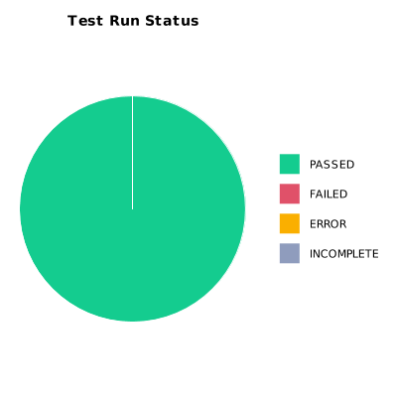
EXECUTION SUMMARY
Execution ID | 6
Status | PASSED
Organization | SCAE - Project
Team | Mercurio Systems
Project | SCAEW - Web Application
By | Juan Bernardo Camacho Tirado
Start Time | 12/08/2020 00:42:32 +00:00
Duration | 0:02:20.524

TEST RESULTS
Total test runs | 10
Passed | 10
Failed | 0
Error | 0
Incomplete | 0

